Sheet1
Slice Index | 0 | 1 | 6
-15 | TRUE | FALSE | FALSE
-14.5 | TRUE | FALSE | FALSE
-14 | TRUE | FALSE | FALSE
-2 | TRUE | FALSE | FALSE
-1.5 | TRUE | FALSE | FALSE
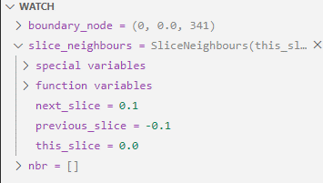
-1 | TRUE | FALSE | FALSE
-0.5 | TRUE | FALSE | FALSE
-0.3 | FALSE | FALSE | TRUE
-0.2 | FALSE | FALSE | TRUE
-0.1 | FALSE | FALSE | TRUE
0 | TRUE | TRUE | TRUE
0.1 | FALSE | TRUE | TRUE
0.2 | FALSE | TRUE | FALSE
0.3 | FALSE | TRUE | FALSE
0.4 | FALSE | TRUE | FALSE
0.5 | TRUE | FALSE | FALSE
1 | TRUE | FALSE | FALSE
1.5 | TRUE | FALSE | FALSE
2 | TRUE | FALSE | FALSE
13.5 | TRUE | FALSE | FALSE
14 | TRUE | FALSE | FALSE
14.5 | TRUE | FALSE | FALSE

